Issue 1
Balances & Account activity Screenshots before funds transfer

Account Number : 16230
Balance Details before the funds transfer
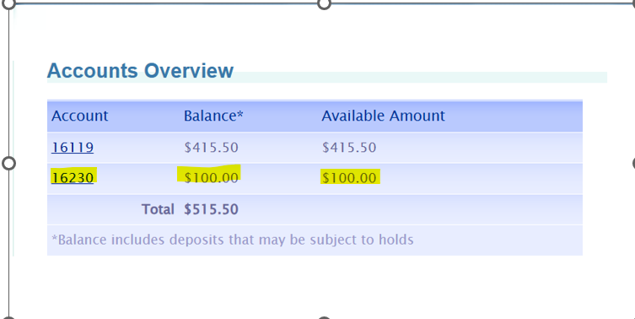

Account activity before the funds transfer

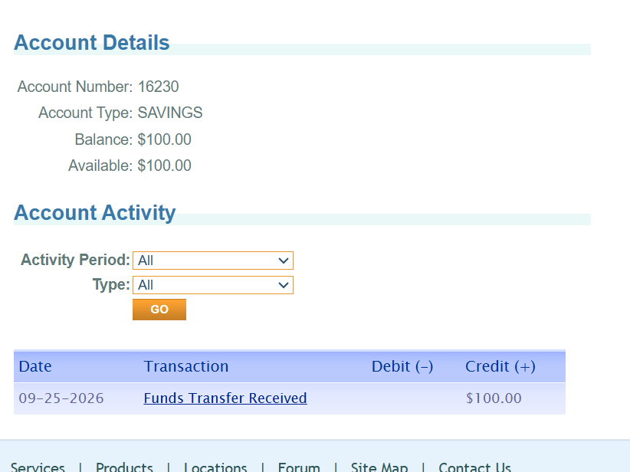
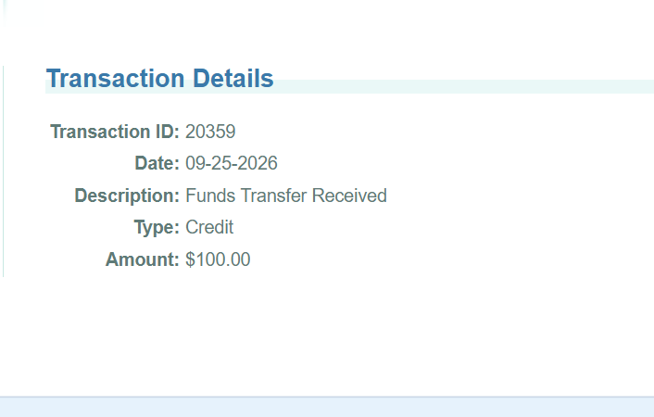

Issue 1
Title | Missing validation: Funds transfer allowed between same From and To accounts, resulting in redundant credit/debit entries with no actual value movement
Severity | High | Creates false entries in the accounting though no actual money movement happens resulting in ambiguity
Priority | High | Direct impact observed in money movements
Environment | https://parabank.parasoft.com/parabank/index.htm

Recreation steps
Step 1 | Navigate to Transfer funds screen from Account services menu

Step 2 | Enter amount as required ( Eg; 20)
Step 3 | Select from account as 16230
Step 4 | Select to account also as 16230
Step 5 | Click Transfer Button
 | Funds transfer is done for $20 with From and to account chosen as same account

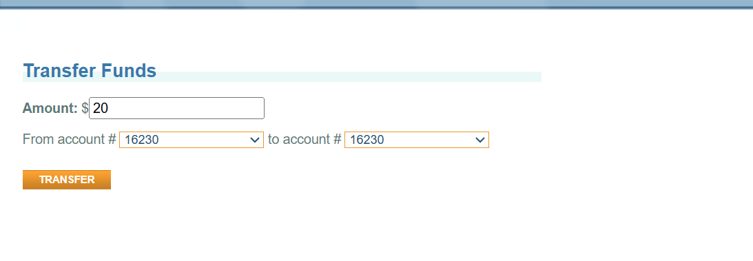

User is allowed to commit funds transfer succcesfully and the account activity is also updated with credit and debit entries however no real money movement happens

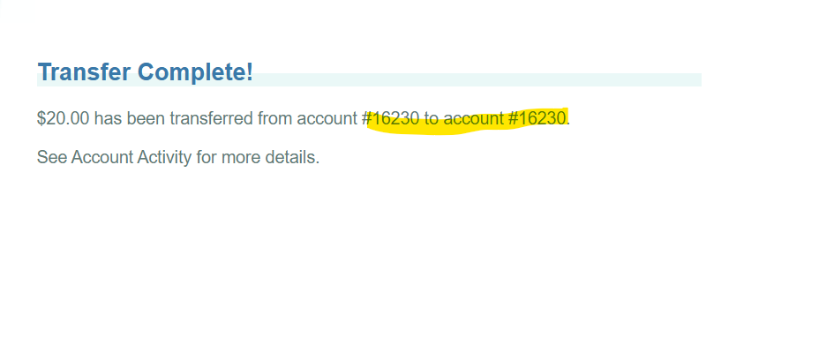
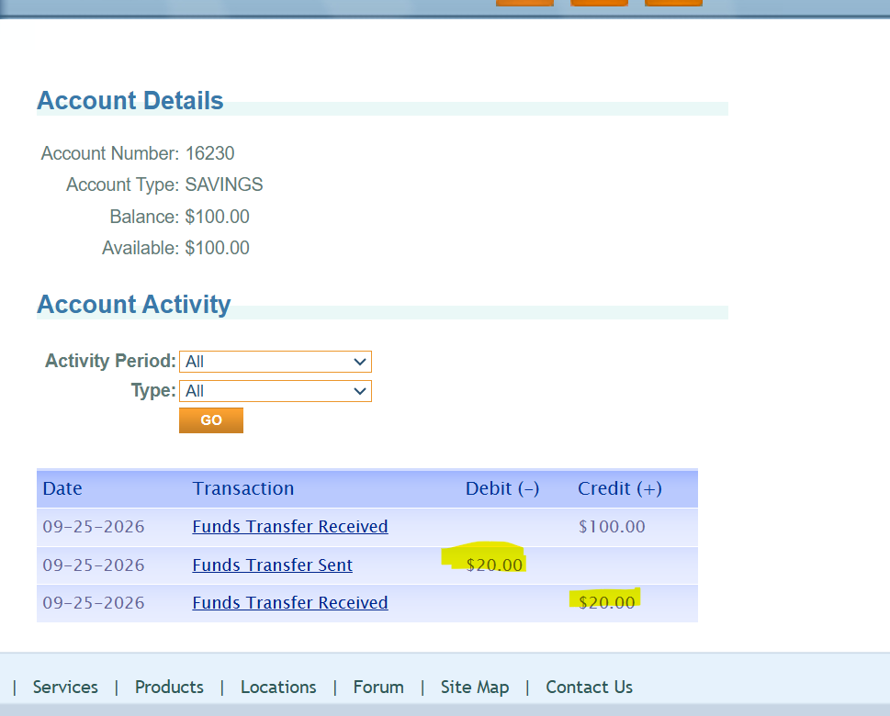

Expected Results : User should be restricted from selecting the same account as from and to account for a Funds transfer as it results in redundant accounting entries & a proper error message should be displayed.
Reason | Standard practice in money movement systems to validated the accounts involved in funds transfer

Additional Observation
Title | There is no navigation to go back to the previous screen from the account activity/Transaction details screen
Severity | Low | Just UI incovenience
Priority | Low | Have workaround to launch Transaction details directly again from accout overview or Transaction details
Environment | https://parabank.parasoft.com/parabank/index.htm
Recreation steps
Step1 | Navigate to Accounts Overview Menu in Account Services section

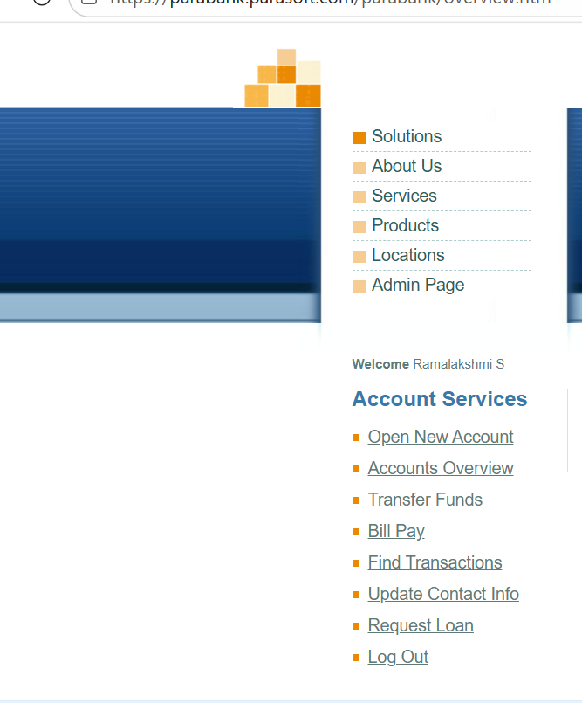

Step2 | List of accounts will be displayed in accounts overview section. Click on the link in account number column to navigate to the account activity screen of the particular account

Step 3 | Account activity of selected account is displayed
 | Transaction column will have a link to navigate to the individual transaction details

Step 4 | Click on the link in transaction column ( Funds transfer Received / funds transfer sent } to view the individual transaction details

Actual Results : There is no accessibility to navigate back to the previous pages
Expected results : User should have back button or link to navigate to the previous page from which they came here, Because it is a common UX convention

Issue 2
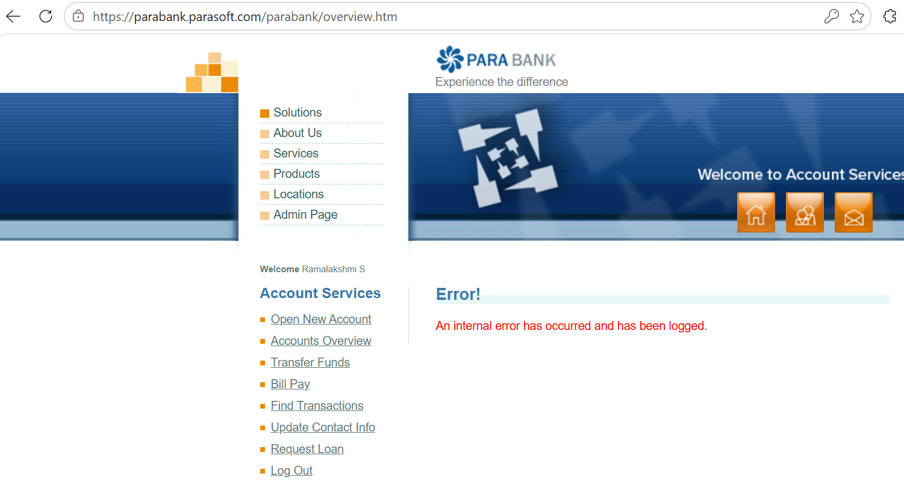
Issue 2 :
Title: Funds transfer was allowed without any validations against the available balance
Severity | High | Risk to monetary loss to the bank and negative balance in user account due to oversight
Priority | High | Direct impact observed in money movements
Environment | https://parabank.parasoft.com/parabank/index.htm

Balances before funds transfer

 | Account Number | Balance
 | 16119 | 415.50
 | 16230 | 100.00

Recreation steps
Step1 | Navigate to Transfer Funds Menu in Account Services section

Step 2 | Funds transfer is done for abelow values (amount more than the available balance in account)
 | From account | 16119
 | To account | 16230
 | Amount | 2000.12 | ( Available balance is $415, Transaction is done for 2000.12)

Expected result : User should not be allowed to make fund transfer for an amount exceeding the available balance in their account
Reason | Standard practice to prevent negative balances in money Movement applications

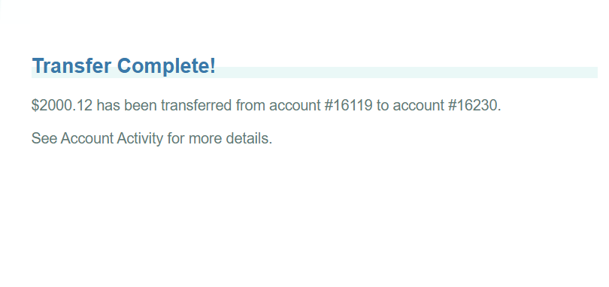

Note : I would like to capture the balances , account activity and individual transaction details of both the accounts after the funds transfer, however I faced error as follows upon clicking any menu in Account Services,which remain unresolved even after 2 hours. Hence, I was unable to document the remaining evidence.

